Sheet1
Bug Report From Functional UI Testing |  |  |  | 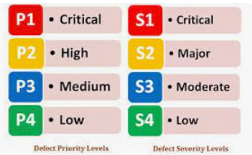

Product | Pipedrive CRM
Product type | Web Based CRM System
Testing Technique Used | Exploratory Manual Testing
Tests Executed By | Fahad Alamgir
Date | 2023-06-10

Bug ID | Bug Title | Bug Summary | Bug Description | Steps to reproduce | Severity | Priority | Status | Attachement | Remarks | Reported By
DEF_1 | New User Signup | A new user can signup with a username as [.] [.#][.##] | when a new user provides wildcard or special characters in the username input field it allows the user to create an account successfully. | Go to the pipedrive website and try to register as a new user and provide the input in the username field as described in the bug summary. Although you need to provide other details like email, phone and password. | Low | Medium | Not Fixed | 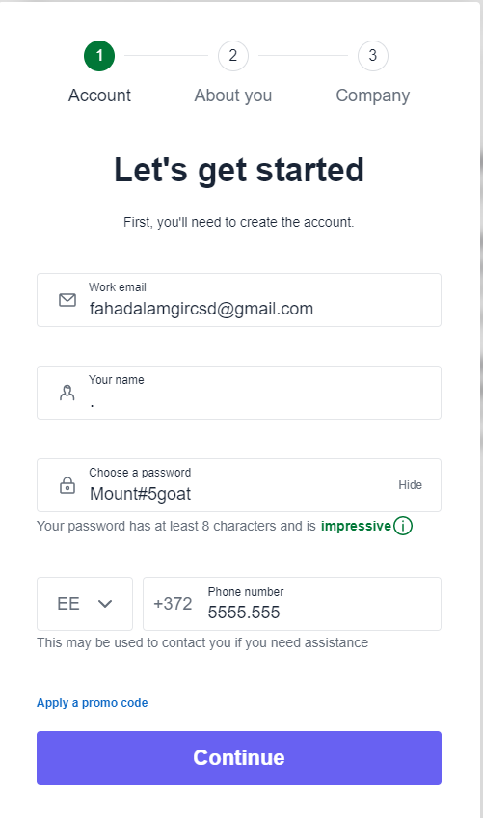 | It does not make any sense if the user name is not sensible | Fahad Alamgir
DEF_2 | New User Signup | A new user can signup with a phone number mix of special characters and numbers as [.] [#][/] | when a new user provides wildcard or special characters in the phone input field it allows the user to create an account successfully. | Go to the pipedrive website and try to register as a new user and provide the input in the phone number field as described in the bug summary. Although you need to provide other details like email, username and password. | Major | Medium | Not Fixed | 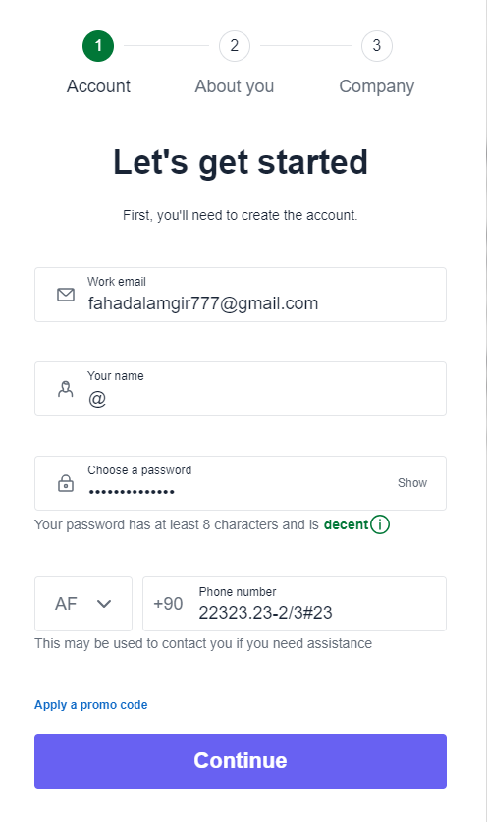 | If the phone number is not correct then it would be difficult to send any promotional or discount offers to the users on their phones. | Fahad Alamgir
DEF_3 | New User Signup | A new user can provide the logical expression like [1&1=1 or 1=1] as a company name while registering for a new account. | when a new user provides logical expressions in the company name input field it allows the user to create the account successfully. | Go to the pipedrive website and try to register as a new user and provide the input in the company name field as described in the bug summary. | Major | High | Not Fixed | 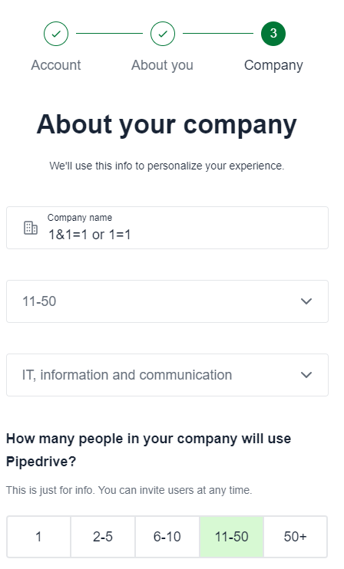 | The logical expressions can sometimes lead to sql injection attacks. | Fahad Alamgir
DEF_4 | Convert Lead to Deal | When a user try to convert a lead to deal after creating a lead then input date email and phone number can be provided in wrong format. Like date as 29/03/202/. | When the lead is converted to deal then user can provide wrong date in the date input field and phone number upto 255 characters and email with only numerics. | Go to the leads Inbox page and create a lead first by providing the required details and then try to convert the lead into a deal and provide the inputs in the input fields as described in the bug summary | Major | High | 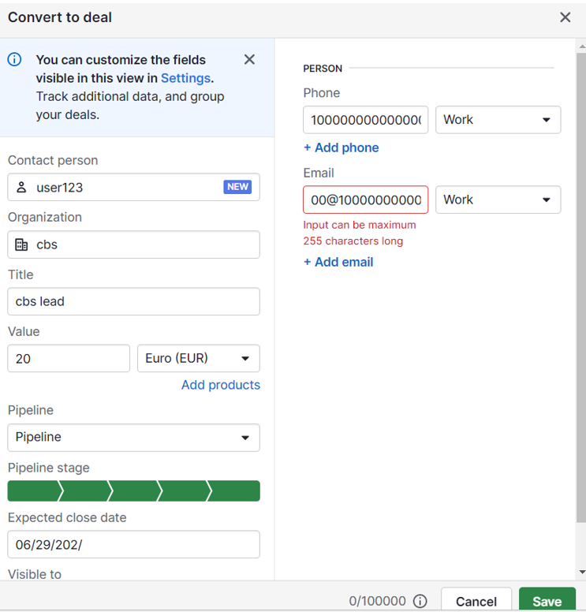 Not Fixed |  | Wrong data inputs can take to confusions to determine the right situation of a certain event | Fahad Alamgir
DEF_5 | Add Products | Product details in the add products section can be float or decimal including negative values as well like Tax percentage | When the user adds the new product in the deal then product details can be provided in the float and decimal or even binary format. | Go to the add product section and tries to enter the input as mentioned in the screen shot and click save. It will save the product data without providing any warning or alerts. | Critical | High | Not Fixed | 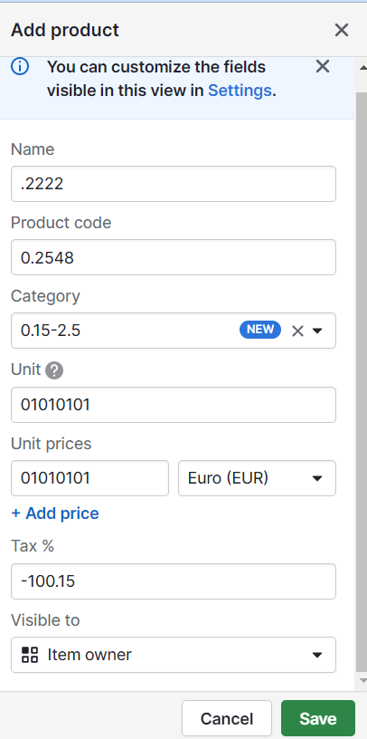 | Numerical or float data about products does not provide sufficient information to differentiate one from the other. | Fahad Alamgir
DEF_6 | Add Deal | Deal details can be provided as a division of two numbers like [2/3, 1/0 ,-2/0]. | When a user tries to create a new deal and provide inputs in the input fields as a division of numbers then no warning or alert messages are shown. | Go to the deals page and try to create a new deal by clicking on a deal button and provide the inputs as mentioned in the screen shot and click save. The deal details will be saved successfully. | Critical | High | Not Fixed | 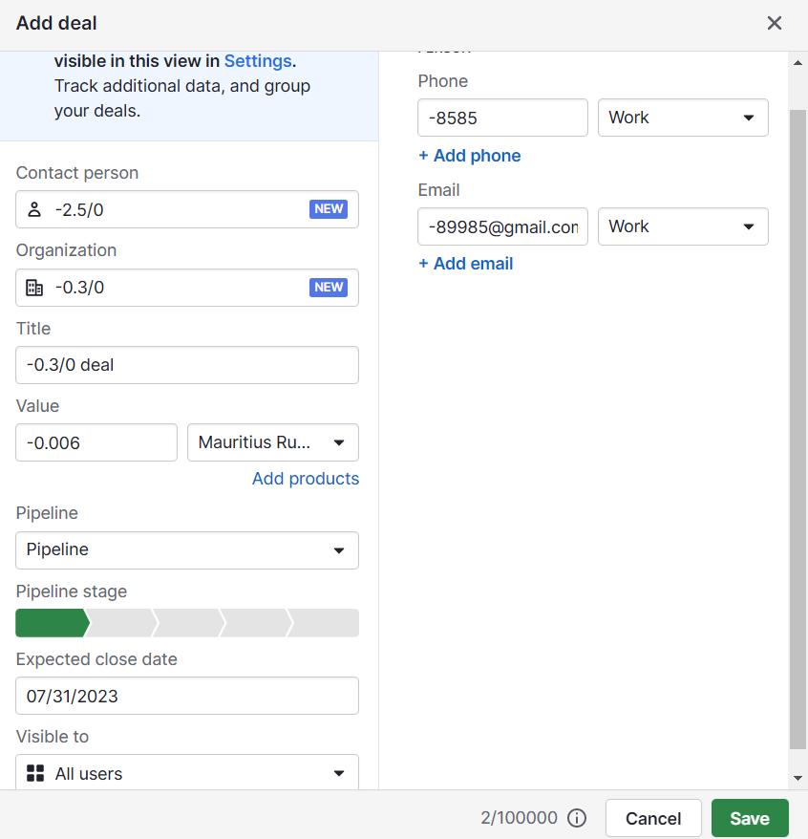 | The division with 0 inputs can cause the stack overflow attack to the system. | Fahad Alamgir
DEF_7 | Promo Code | A new user can provide random promocode like [000000000, 5555555555] while during the signup process and get a benefit with it. | when a new user provides random promo code while registering as a new user then he can manipulate the promocode feature by guessing random numbers | Go to the pipedrive website and try to register as a new user and provide required details and promocode mentioned in the screen shot and click continue. | Critical | High | Not Fixed | 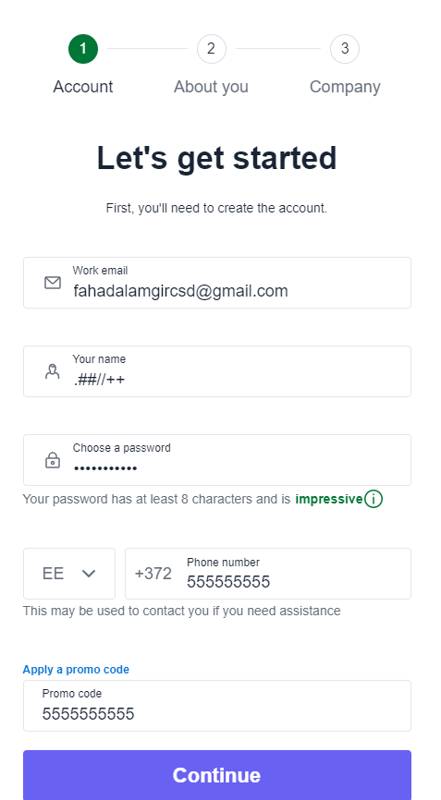 | It could cause a loss of revenue to the company if huge users claim the promocode when big discounts or services are offered from the company. | Fahad Alamgir
DEF_8 | Misleading Page Title | When a user logged in then deals page appears in front of him but when the user switch from deals page to leads inbox page and then switch back to deals page then the page title does not change. | The page title does not change according to the page where the user is present for example the deals page shows the title of leads inbox page. | Go to the deals page and then switch page to leads inbox page. After that switch back to deals page then page title won't change | Moderate | Medium | Not Fixed | 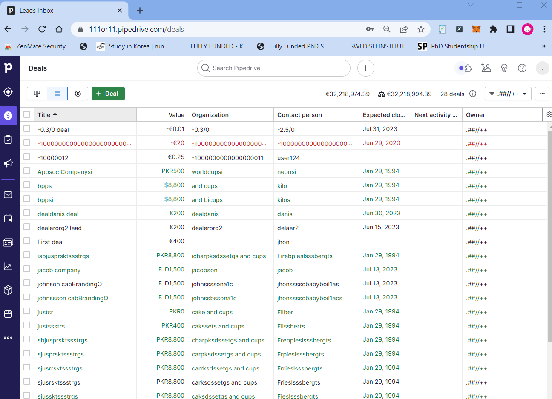 | Correct title of each page should be displayed for great user experience | Fahad Alamgir
DEF_9 | Tax on Add products | Tax is not calculated on total amount of sum from products and their quantities on add products section | When a user tries to create a new deal and add products to it and provide the required details including the tax percentage then total amount of sum is shown without deduction of tax. | Go to the deals page and try to create a new deal and add products to it by filling up the input fields and observe the tax percentage is not applied there on the total sum amount. | Moderate | Medium | Not Fixed | 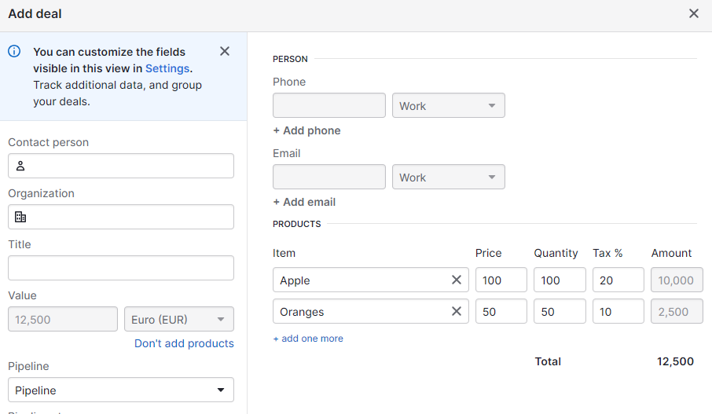 | If the taxes are not applied to the total sum here then what's the purpose for showing the tax fields here. | Fahad Alamgir
DEF_10 | Negative Amount on Add products | In the add products section the user can input negative or float values for the products and their quantities. | When a user add a new product then user can provide float or negative inputs in price and quantity and tax field. The negative total sum amount is calculated and applied upon clicking on save button | Go to deals page and try to create a new deal and add products to it by providing negative or float inputs and observe the negative amount is calculated | Critical | High | Not Fixed | 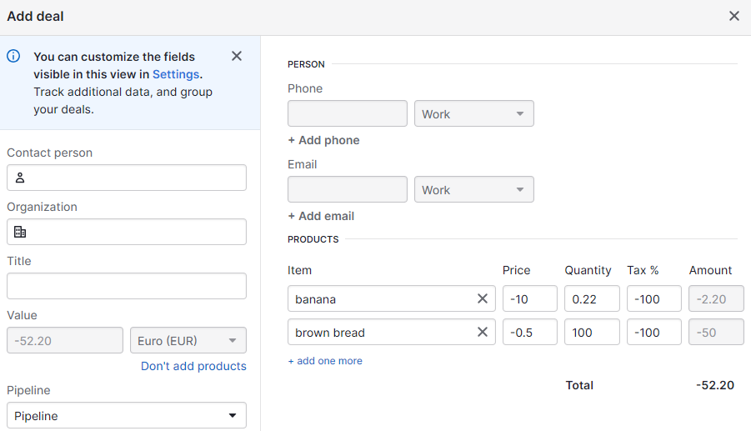 | Negative and float sum amount is calculated for negative and float input values. | Fahad Alamgir

